LOTS
Style code | BRAND | STYLE/CODE | Made in | RRP | Material | Color | 40 | 41 | 42 | 43 | 44 | 45 | 46 | 47 | 48 | 49 | 50 | tot units
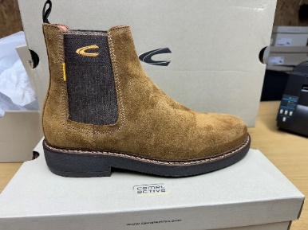 | CAMEL | 23253275 | PORTUGAL | 129.95 | SUEDE | COGNAC |  | 4 | 4 | 4 | 4 | 4 | 4 | 0 | 0 | 0 | 0 | 24

Style code | BRAND | STYLE/CODE | Made in | RRP | Material | Color | 40 | 41 | 42 | 43 | 44 | 45 | 46 | 47 | 48 | 49 | 50 | tot units
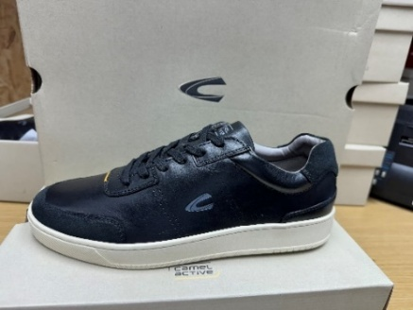 | CAMEL | 24233964.C00 | PORTUGAL | 119.95 | LEATHER/SUEDE | BLACK | 0 | 0 | 5 | 5 | 5 | 5 | 5 | 0 | 0 | 0 | 0 | 25

Style code | BRAND | STYLE/CODE | Made in | RRP | Material | Color | 40 | 41 | 42 | 43 | 44 | 45 | 46 | 47 | 48 | 49 | 50 | tot units
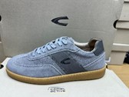 | CAMEL | 24233966.C25 | PORTUGAL | 104.95 | SUEDE/LEATHER | GREY | 0 | 0 | 3 | 3 | 3 | 3 | 0 | 0 | 0 | 0 | 0 | 12

Style code | BRAND | STYLE/CODE | Made in | RRP | Material | Color | 40 | 41 | 42 | 43 | 44 | 45 | 46 | 47 | 48 | 49 | 50 | tot units
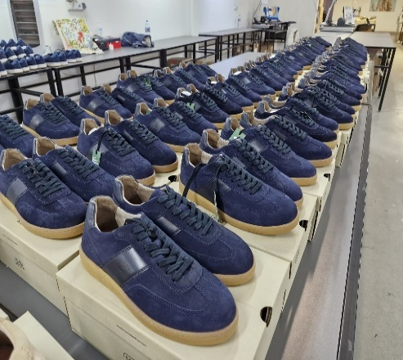 | CAMEL | 24233966.C67 | PORTUGAL | 104.95 | SUEDE/LEATHER | NAVY | 0 | 4 | 4 | 5 | 5 | 5 | 2 | 2 | 0 | 0 | 0 | 27

Style code | BRAND | STYLE/CODE | Made in | RRP | Material | Color | 40 | 41 | 42 | 43 | 44 | 45 | 46 | 47 | 48 | 49 | 50 | tot units
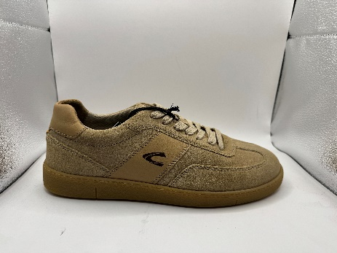 | CAMEL | 24233966.C88 | PORTUGAL | 104.95 | SUEDE/LEATHER | SAND | 2 | 4 | 3 | 5 | 5 | 4 | 3 | 2 | 0 | 0 | 0 | 28

Style code | BRAND | STYLE/CODE | Made in | RRP | Material | Color | 40 | 41 | 42 | 43 | 44 | 45 | 46 | 47 | 48 | 49 | 50 | tot units
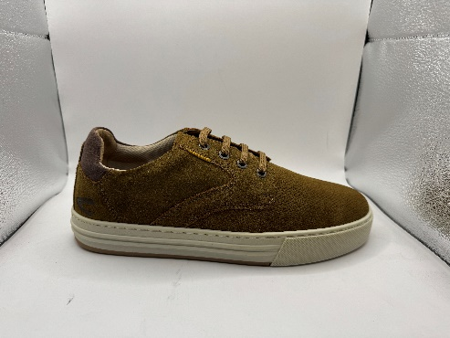 | CAMEL | 24233967.C45 | PORTUGAL | 99.95 | SUEDE | COGNAC | 0 | 0 | 14 | 8 | 3 | 7 | 5 | 2 | 0 | 0 | 0 | 39

Style code | BRAND | STYLE/CODE | Made in | RRP | Material | Color | 40 | 41 | 42 | 43 | 44 | 45 | 46 | 47 | 48 | 49 | 50 | tot units
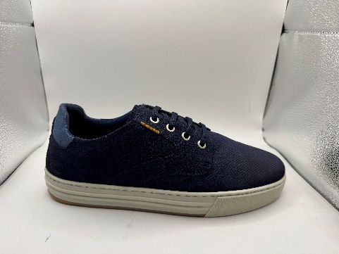 | CAMEL | 24233967.C67 | PORTUGAL | 99.95 | SUEDE | NAVY | 0 | 7 | 10 | 16 | 19 | 16 | 7 | 0 | 0 | 0 | 0 | 75

Style code | BRAND | STYLE/CODE | Made in | RRP | Material | Color | 40 | 41 | 42 | 43 | 44 | 45 | 46 | 47 | 48 | 49 | 50 | tot units
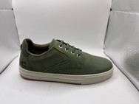 | CAMEL | 24233967.C711 | PORTUGAL | 99.95 | SUEDE | MILITARY | 6 | 4 | 2 | 9 | 12 | 7 | 6 | 0 | 0 | 0 | 0 | 46

Style code | BRAND | STYLE/CODE | Made in | RRP | Material | Color | 40 | 41 | 42 | 43 | 44 | 45 | 46 | 47 | 48 | 49 | 50 | tot units
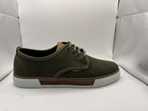 | CAMEL | 24238951.C70 | PORTUGAL | 84.95 | CANVAS | OLIVE | 0 | 5 | 14 | 6 | 3 | 3 | 3 | 0 | 0 | 0 | 0 | 34

Style code | BRAND | STYLE/CODE | Made in | RRP | Material | Color | 40 | 41 | 42 | 43 | 44 | 45 | 46 | 47 | 48 | 49 | 50 | tot units
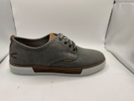 | CAMEL | 24238951.C88 | PORTUGAL | 84.95 | CANVAS | GREY | 9 | 5 | 5 | 16 | 5 | 6 | 4 | 6 | 0 | 0 | 0 | 56

Style code | BRAND | STYLE/CODE | Made in | RRP | Material | Color | 40 | 41 | 42 | 43 | 44 | 45 | 46 | 47 | 48 | 49 | 50 | tot units
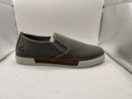 | CAMEL | 24238952.C88 | PORTUGAL | 79.95 | CANVAS | GREY | 3 | 8 | 10 | 15 | 16 | 4 | 3 | 7 | 0 | 0 | 0 | 66

Style code | BRAND | STYLE/CODE | Made in | RRP | Material | Color | 40 | 41 | 42 | 43 | 44 | 45 | 46 | 47 | 48 | 49 | 50 | tot units
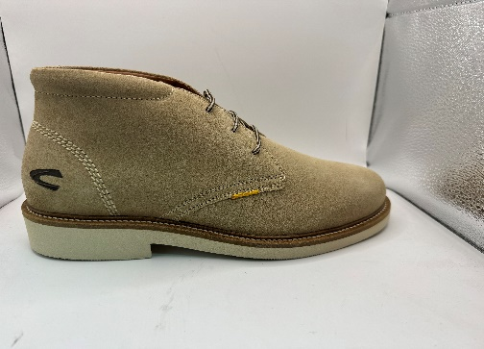 | CAMEL | 24243944.C25 | PORTUGAL | 149.95 | SUEDE | SAND |  | 9 | 8 | 14 | 15 | 5 | 5 | 5 |  |  |  | 61

Style code | BRAND | STYLE/CODE | Made in | RRP | Material | Color | 40 | 41 | 42 | 43 | 44 | 45 | 46 | 47 | 48 | 49 | 50 | tot units
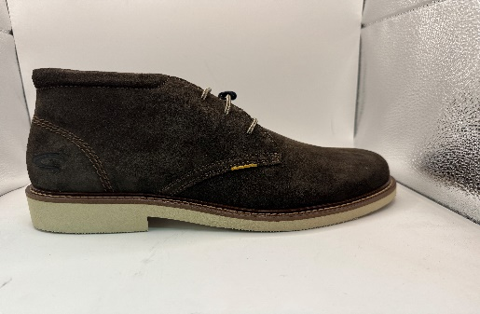 | CAMEL | 24243944.C46 | PORTUGAL | 149.95 | SUEDE | DARK BROWN | 0 | 5 | 5 | 10 | 7 | 5 | 0 | 0 |  |  |  | 32

 |  |  |  |  |  |  |  |  |  |  |  |  |  |  |  |  |  | Tot units
 |  |  |  |  |  |  |  |  |  |  |  |  |  |  |  |  |  | 525

